Sheet1
VCU pin out

 | 24P connector on cable
1 | Pump | PWM1 | PP | I14 | PWM2 | PWM3 | G4 | GND | 8
9 | D27 | AD0 | CAN L | I32 | G1 | G21 | G2 | 5V | 16
17 | D12 | AD3 | CAN H | I33 | G3 | G18 | Cp | 12V | 24

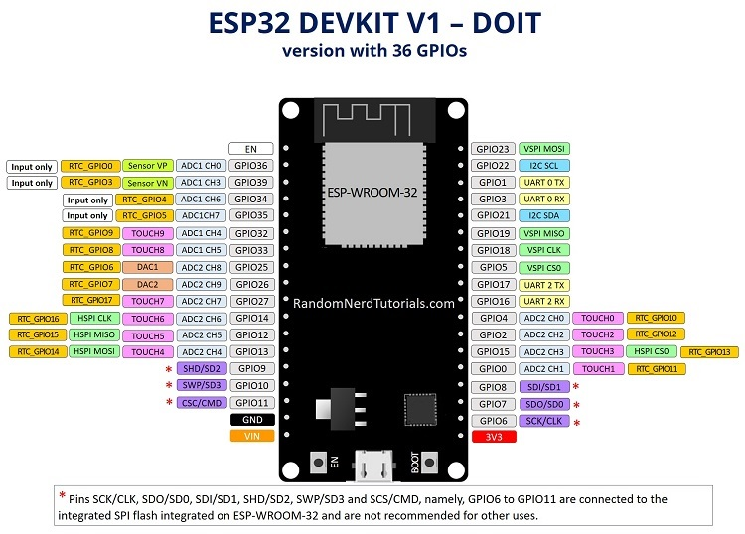
 | Function VCU
 | PP | G34 | Input
 | Pump | G26 | Output
 | Enable | ADC0/G36 | Input
 | CANrx | G16 | serial
 | CANtx | G17 | serial
 | DCDC relay | G4 | Output
 | Disable | G2 | Output
 | Cp signal | G19 | Input
 | Cp relay | G23 | Output

